Sheet1
 |  | Document No. | Issue No. | Issue Date |  | Review and Replace Date |  | Authorised By
 |  | GFF054MC | 4 | 28.09.2018 |  | 09.08.2021
 |  | Document Title | Prawn Mango Masala 350g
 |  |  |  |  |  |  |  | Magda Shah
Document amendments reason for change |  | Prawns recipe changed | Page 1 of 1 |  | Previous Issue Date |  | 09.06.2021 | Uncontrolled copy unless signed original

CPMA-R4TEB | BOOTHS |  | Prawn Mango Masala 350g | CHILLED
STEP 1 |  |  |  |  | STEP 2
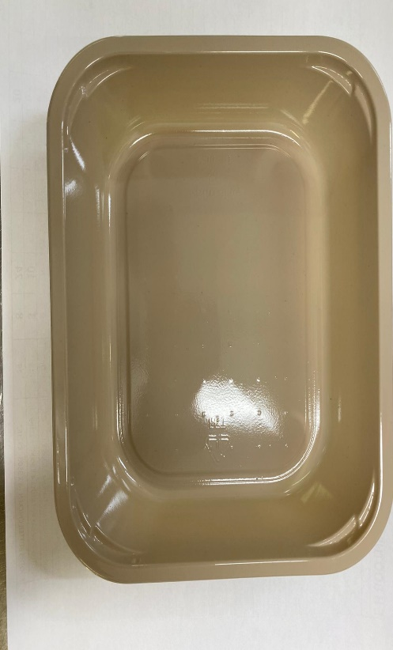 |  |  |  |  | 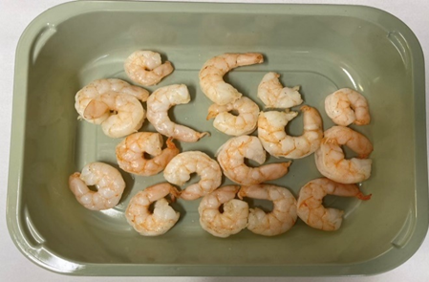

Tray: C 2200­1D Evolve CPET(PKRHP001-09) |  |  |  |  | Marinated King Prawns (GFF344R): 85g
Line 1: Mylar 250LAF 250mm x 1000 (PKWRA001-08)
Line 1: K-Peel 75G + AF 25 250mm (PKKMP001-01)
Line 2: Mylar 25OLAF - 380mm wide (PKWRA001-02)
STEP 3
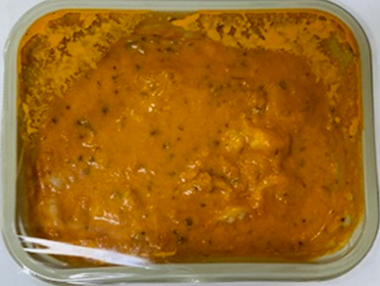 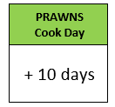

Pack within 2 days from cooking prawns

Mango Masala Sauce (GFF132R): 265g |  |  |  |  | TOTAL WEIGHT: 350G

ALLERGY ALERT: BARLEY, CRUSTACEAN, MILK, MUSTARD

